Front Sheet-Potrait
 |  |  |  |  | https://www.flasysdesign.com/
 |  |  |  |  | Email: contact@flasysdesign.com
Page : 1 of 9

Earthing & Lightning Protection Calculation

 |  | Contractor:
 |  | Client:
 |  | Location:
 |  | Job No.:
 |  | APG Project No:

Rev | Date | Status | Document Status | Prepared by |  | Checked By | Approved By

Sheet 2
 |  |  |  |  |  |  |  |  |  |  |  |  |  |  |  |  |  |  |  |  | https://www.flasysdesign.com/
Earthing & Lightning Protection Calculation |  |  |  |  |  |  |  |  |  |  |  |  |  |  |  |  |  |  |  |  | Email: contact@flasysdesign.com

 | 4.4 |  | Inputs:

 | 1 | : Maximum Fault Current (for Main Earth grid sizing) |  |  |  |  |  | (LV Switchboard / PCC design fault current) |  |  |  |  |  |  |  | 65 |  |  |  | kA
 |  | : Maximum Fault Current (for Plant Earth grid sizing) |  |  |  |  |  | (Refer - Annexure-1) * |  |  |  |  |  |  |  | 15.45 |  |  |  | kA
 | 2 | : Duration of Fault (Fault Clearing Time) |  |  |  |  |  |  |  |  |  |  |  |  |  | 0.5 |  |  |  | Sec.
 | 3 | : Average soil resistivity |  |  |  |  |  |  |  |  |  |  |  |  |  | 45 |  |  |  | Ohm-m
 | 4 | : Pipe electrode length (l) |  |  |  |  |  |  |  |  |  |  |  |  |  | 300 |  |  |  | cm
 | 5 | : Pipe electrode length in contact with ground (l) |  |  |  |  |  |  |  |  |  |  |  |  |  | 300 |  |  |  | cm
 | 6 | : Pipe electrode diameter (D) |  |  |  |  |  |  |  |  |  |  |  |  |  | 10 |  |  |  | cm
 | 7 | : Corrosion allowance for GI strip |  |  |  |  |  | (As per Design Basis CL No. 8.10) |  |  |  |  |  |  |  | 30 |  |  |  | %
 |  | * 11kV & 6.6kV Systems are resistively earthed with NGR rating 250A. Therefore plant earthing is designed considering Maximum earth
 |  | fault current on 415V & 690V system 15.45kA as calculated in Annexure-1.

 | 4.5 |  | Symbols

 | I | : Fault Current in kA |  |  |  |  |  |  |  |  |  |  |  |  |  | 65

 | t | : Fault duration in seconds |  |  |  |  |  |  |  |  |  |  |  |  |  | 0.5

 | K | : Constant (for GI Earth strip in safe area) |  |  |  | (ref. Table 6A of IS 3043:1987) |  |  |  |  |  |  |  |  |  | 80

 |  | (for GI Earth strip in Hazardous area) |  |  |  | (ref. Table 6D of IS 3043:1987) |  |  |  |  |  |  |  |  |  | 56

 | w | : Depth of burial of the strip in cm |  |  |  | (ref. Cl 20.6.3.2 of IS 3043:1987) |  |  |  |  |  |  |  |  |  | 60

 | t | : Width of strip in cm |  |  |  |  |  |  |  |  |  |  |  |  |  | 7.5

 | 4.6 |  | Estimated Strip Laid Area (Substation): |  |  |  |  |  | Estimated Strip Laid Area (Plant):

 |  | Strip laid 600mm below ground over (Approx) |  |  |  | 250 | mtr |  | Strip laid 600mm below ground over (Approx) |  |  |  |  |  |  |  |  |  | 2260 | mtr

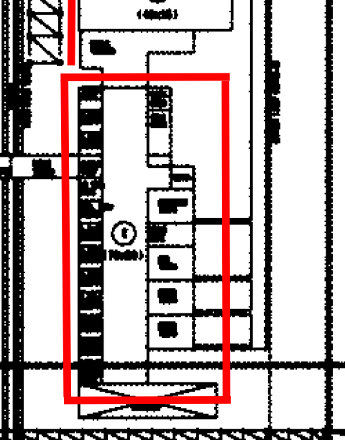
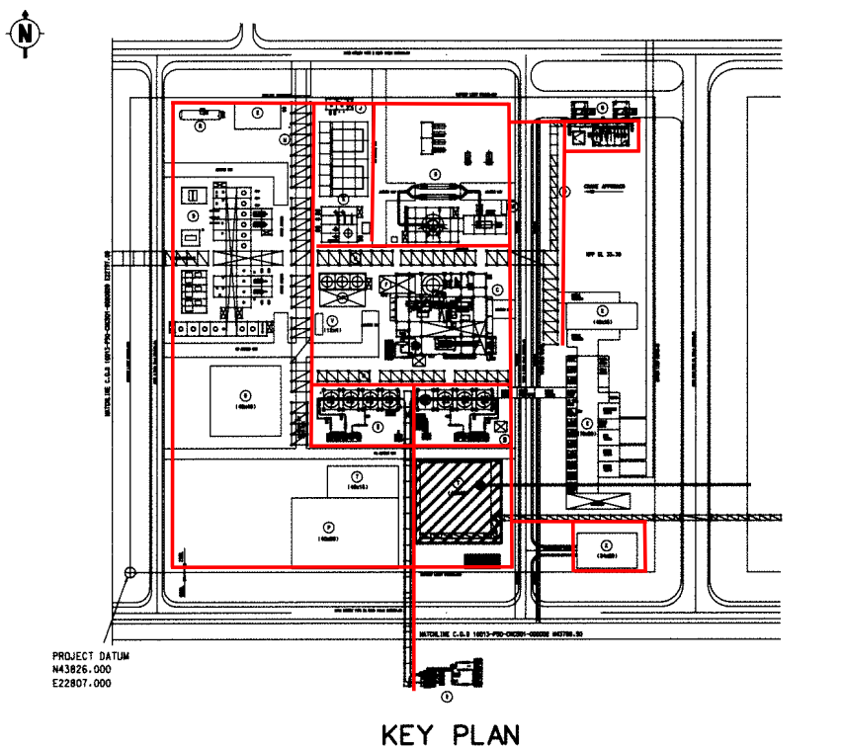
 |  |  |  |  |  |  |  |  |  |  |  |  |  |  |  |  |  |  | N
 |  |  |  | 32 |  |  |  |  |  |  |  |  |  |  |  |  |  |  |  |  |  | 530
 |  |  |  | Substation | 80 |  |  |  |  |  |  |  |  |  |  |  |  |  |  |  |  | 390
 |  |  |  |  |  |  |  |  |  |  |  |  | 150 |  |  | 130 |  |  |  |  |  | 195
 |  |  |  |  |  |  |  |  |  | 269 |  | 269 |  |  |  |  |  |  |  |  |  | 385
 |  |  |  |  |  |  |  |  |  |  |  |  | 150 |  |  |  |  |  |  |  |  | 120
 |  |  |  |  |  |  |  |  |  |  |  |  |  | 195 |  |  |  |  |  |  |  | 120
 |  |  |  |  |  |  |  |  |  |  |  |  |  |  |  |  |  |  |  |  |  | 175
 |  |  |  |  |  |  |  |  |  |  | - Plot |  |  |  |  |  |  |  |  |  |  | 170
 |  |  |  |  |  |  |  |  |  |  | 296 |  |  |  |  |  |  | NTS |  |  |  | 175

 |  |  |  |  | NTS

 |  | Earth Grid around the Substation |  |  |  |  |  |  |  | Earth Grid around the Plot & below Piperacks
 |  | (Approx length for calculation purpose only) |  |  |  |  |  |  |  | (Approx length for calculation purpose only)

 |  |  |  |  |  |  |  |  |  |  |  |  |  | Page | 5 |  | of |  | 9

